Updated Premium Calc
Gross Net Premium | Commission Type | Max Cap Commission | Total Commissions | Gross Premium | Categories | Members | Premium
8478.75 | HSB | 0.00% | 0.275 | 11694.8275862 | Category A | 13 | 91481.72
4088.8 | HSB | 0.00% | 0.275 | 5639.7241379 | Category B | 0 | 0.00000 | CRN No | TEST-ABC-1224-1-00022
4088.8 | HSB | 0.00% | 0.275 | 5639.7241379 | Category C | 0 | 0.00000
4088.8 | HSB | 0.00% | 0.275 | 5639.7241379 | Bashma | 13 | 481
4088.8 | HSB | 0.00% | 0.275 | 5639.7241379 | ICP | 0 | 0
8478.75 | HSB | 0.00% | 0.275 | 11694.8275862 | VAT | 5% | 4598.1
8478.75 | HSB | 0.00% | 0.275 | 11694.8275862 | Total |  | 96560.86
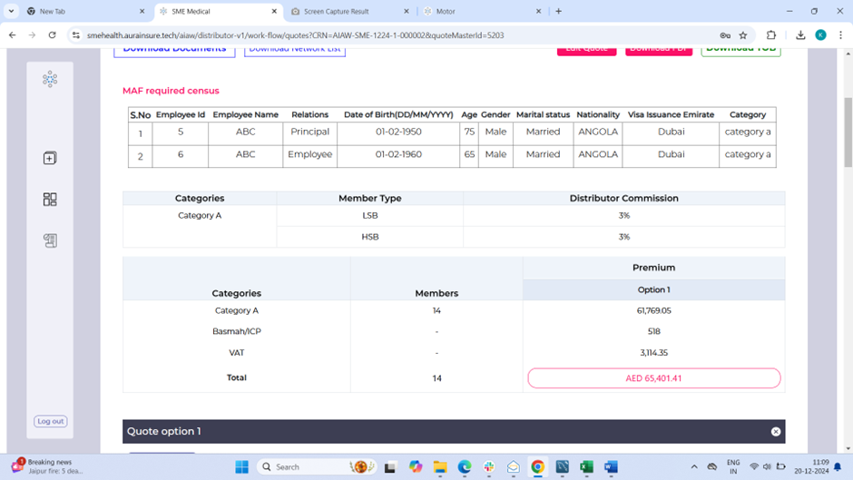
4088.8 | HSB | 0.00% | 0.275 | 5639.7241379
4088.8 | HSB | 0.00% | 0.275 | 5639.7241379
4088.8 | HSB | 0.00% | 0.275 | 5639.7241379
4088.8 | HSB | 0.00% | 0.275 | 5639.7241379
4088.8 | HSB | 0.00% | 0.275 | 5639.7241379
4088.8 | HSB | 0.00% | 0.275 | 5639.7241379
#VALUE! | 0 | 0.00% | #VALUE! | #VALUE!
#VALUE! | 0 | 0.00% | #VALUE! | #VALUE!
#VALUE! | 0 | 0.00% | #VALUE! | #VALUE!
#VALUE! | 0 | 0.00% | #VALUE! | #VALUE!
#VALUE! | 0 | 0.00% | #VALUE! | #VALUE!
#VALUE! | 0 | 0.00% | #VALUE! | #VALUE!
#VALUE! | 0 | 0.00% | #VALUE! | #VALUE!
#VALUE! | 0 | 0.00% | #VALUE! | #VALUE!
#VALUE! | 0 | 0.00% | #VALUE! | #VALUE!
#VALUE! | 0 | 0.00% | #VALUE! | #VALUE!
#VALUE! | 0 | 0.00% | #VALUE! | #VALUE!
#VALUE! | 0 | 0.00% | #VALUE! | #VALUE!
#VALUE! | 0 | 0.00% | #VALUE! | #VALUE!
#VALUE! | 0 | 0.00% | #VALUE! | #VALUE!
#VALUE! | 0 | 0.00% | #VALUE! | #VALUE!
#VALUE! | 0 | 0.00% | #VALUE! | #VALUE!
#VALUE! | 0 | 0.00% | #VALUE! | #VALUE!
#VALUE! | 0 | 0.00% | #VALUE! | #VALUE!
#VALUE! | 0 | 0.00% | #VALUE! | #VALUE!
#VALUE! | 0 | 0.00% | #VALUE! | #VALUE!
#VALUE! | 0 | 0.00% | #VALUE! | #VALUE!
#VALUE! | 0 | 0.00% | #VALUE! | #VALUE!
#VALUE! | 0 | 0.00% | #VALUE! | #VALUE!
#VALUE! | 0 | 0.00% | #VALUE! | #VALUE!
#VALUE! | 0 | 0.00% | #VALUE! | #VALUE!
#VALUE! | 0 | 0.00% | #VALUE! | #VALUE!
#VALUE! | 0 | 0.00% | #VALUE! | #VALUE!
#VALUE! | 0 | 0.00% | #VALUE! | #VALUE!
...

